CDR potential
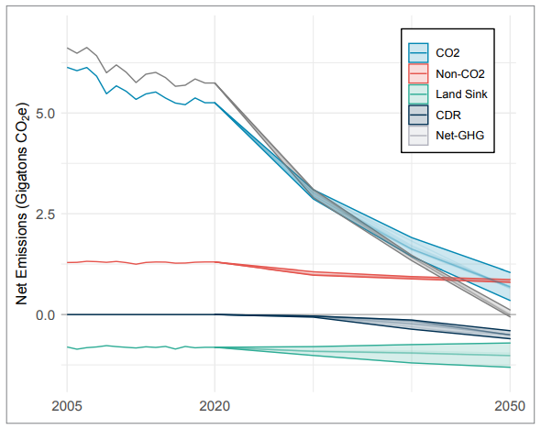
pixels per 1.25 Gt | 56
pixels to upper range, 2030 | 0
pixels to upper range, 2040 | 4
pixels to upper range, 2050 | 16

2040 potential (Gt) | 0.08928571429
2050 potential (Gt) | 0.3571428571

*To be conservative, we choose to measure
to the upper range of the CDR range. CDR
in this report includes DAC as well as several
other potential forms of geoengineering,
meaning it is best to report the conservative
potential.

 | 2020 | 2030 | 2040 | 2050
potential | 0 | 0 | 89285714.29 | 357142857.1

Data
DAC Technologies Considered
DAC1 = hydroxide sorbent-based technology, most mature technology, used for large-scale plants, requires high heat (>800C)
DAC2 = amine-based technology, less mature, can be small modular units, can accept waste heat (temp 85-120C)

According to the source paper, DAC1 heat is provided by natural gas, and DAC2 heat is provided by waste heat.
However, the largest currently operating DAC facilities use solid sorbent systems and utilize non-fossil resources at low heat (80-120 C),
see: https://www.wri.org/insights/direct-air-capture-resource-considerations-and-costs-carbon-removal, Status of the Leading DAC Companies.
Therefore, we take the heat input specified for DAC1 plants and convert to the amount of electricity needed
if supplied by a heat pump.

Capital Cost per Ton CO2 Captured (amortized over lifetime of equipment)
The paper indicates these costs include equipment, maintenance, and labor. Energy costs are not included.
$/ton CO2 | DAC1 | DAC2
High | 300 | 350
Low | 180 | 200
Floor | 100 | 50

Electricity Required per Ton CO2 Captured
GJ/ton CO2 | DAC1 | DAC2
High | 1.8 | 1.1
Low | 1.3 | 0.6
Floor

Heat Input Required per Ton CO2 Captured
GJ/ton CO2 | DAC1 | DAC2
High | 8.1 | 7.2
Low | 5.3 | 4.4
Floor

Percent Reduction in Fuel Use with Heat Pump | 67% |  | Source: indst/PIFURfE

Heat Input Required per Ton CO2 Captured, Converted to Electricity
GJ/ton CO2 | DAC1 | DAC2
High | 2.7 | 2.4
Low | 1.7 | 1.5

Technology Shares (Supplement Fig 3)
Very little DAC of any sort is deployed before 2045-2050. DAC1 is dominant
until after 2080. Therefore, for the EPS, which extends only to 2050, we
assume the only relevant DAC technology is DAC1.
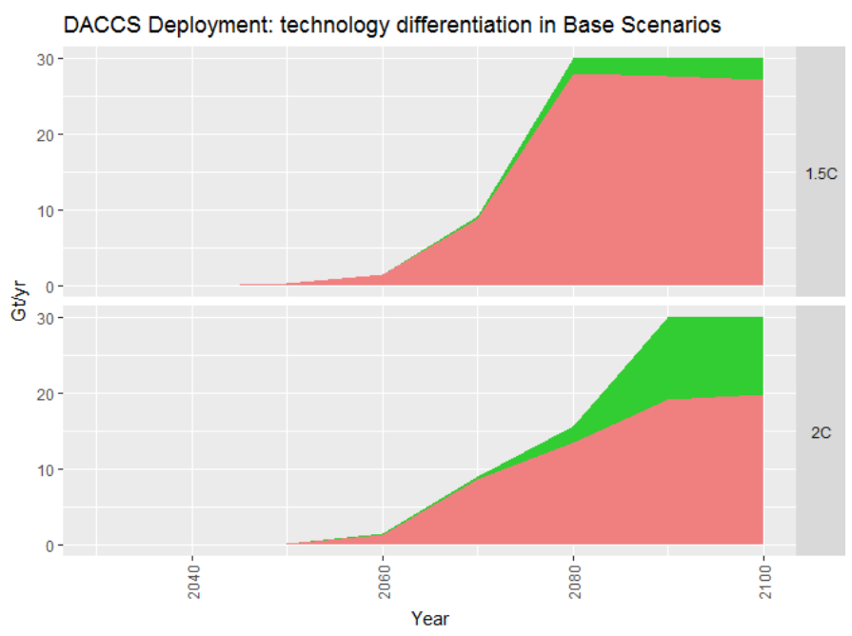

Global DAC Potential
We will use the 1.5-degree C pathway as our outer potential bound (100% lever setting),
since it is the more aggressive of the two scenarios.
We will measure deployment in specific years to the pixel, since the data are not
provided in tabular form:

 | 2045 | 2050 | 2060 | 2070 | 2080 | 2090 | 2100
DAC1 (pixels, high zoom) | 0 | 5 | 20 | 122 | 388 | 384 | 379
DAC2 (pixels, high zoom) | 0 | 0 | 0 | 5 | 30 | 35 | 40

Scale (pixels/(30 Gt/yr)) | 420

 | 2045 | 2050 | 2060 | 2070 | 2080 | 2090 | 2100
DAC1 (Gt/yr) | 0 | 0.4 | 1.4 | 8.7 | 27.7 | 27.4 | 27.1
DAC2 (Gt/yr) | 0 | 0 | 0 | 0.4 | 2.1 | 2.5 | 2.9

Assigning Country-Specific Share
The totals above are global. We assign DAC expenditures proportionally to current GDP, which
reflects both a country's ability to pay and, to a rough degree, its responsibility for historical emissions
to date.

U.S. GDP | 19.39 | trillion USD | 2017
World GDP | 80 | trillion UDS | 2017
US GDP share | 24.2%

U.S. DAC potential
 | 2045 | 2050 | 2060 | 2070 | 2080 | 2090 | 2100
DAC1 (Gt/yr) | 0 | 0.1 | 0.3 | 2.1 | 6.7 | 6.6 | 6.6
DAC2 (Gt/yr) | 0 | 0 | 0 | 0.1 | 0.5 | 0.6 | 0.7

Converting to metric tons:
 | 2045 | 2050 | 2060 | 2070 | 2080 | 2090 | 2100
DAC1 (t/yr) | 0 | 8.66E+07 | 3.46E+08 | 2.11E+09 | 6.72E+09 | 6.65E+09 | 6.56E+09
DAC2 (t/yr) | 0 | 0 | 0 | 8.66E+07 | 5.19E+08 | 6.06E+08 | 6.92E+08

Electricity and Heat Intensity, Costs
Due to the fact that the EPS model run ends at 2050, and deployment of DAC1 may only begin in 2046 (and DAC2 can't
begin during the model run at all), we assume there will not be sufficient time to progress from the high toward the
low intensity or cost values. Therefore, we take the high values as constant over the period 2046-2050, when deployment
is just barely beginning.

BTU/GJ | 947086

In this variable, we use BTU for all energy sources, including electricity. This is a strict unit conversion, not a heat rate.

